HVDC - Annex's
TSO Obligations under HVDC regulation Annex's |  | SONI | Moyle Interconnector Limited | NIE Networks

ANNEX I - Frequency ranges referred to in Article 11 |  |  |  |  | ü | Entity has relevant function
Frequency range | Time period for operation
47.0 Hz – 47.5 Hz | 60 seconds
47.5 Hz – 48.5 Hz | To be specified by each relevant TSO , but longer than established times for generation and demand according to [NC RfG] and [DCC] respectively, and longer than for DC-connected PPMs according to Article 39 | ü
48.5 Hz – 49.0 Hz | To be specified by each relevant TSO, but longer than established times for generation and demand according to [NC RfG] and [DCC] respectively, and longer than for DC-connected PPMs according to Article 39 | ü
49.0 Hz – 51.0 Hz | Unlimited
51.0 Hz – 51.5 Hz | To be specified by each relevant TSO, but longer than established times for generation and demand according to [NC RfG] and [DCC] respectively, and longer than for DC-connected PPMs according to Article 39 | ü
51.5 Hz – 52.0 Hz | To be specified by each relevant TSO , but longer than for DC-connected PPMs according to Article 39 | ü

Table 1: Minimum time periods an HVDC system shall be able to operate for different frequencies deviating from a nominal value without disconnecting from the network.

ANNEX II
Requirements applying to frequency sensitive mode, limited frequency sensitive mode overfrequency and limited frequency sensitive mode underfrequency

A. Frequency sensitive mode

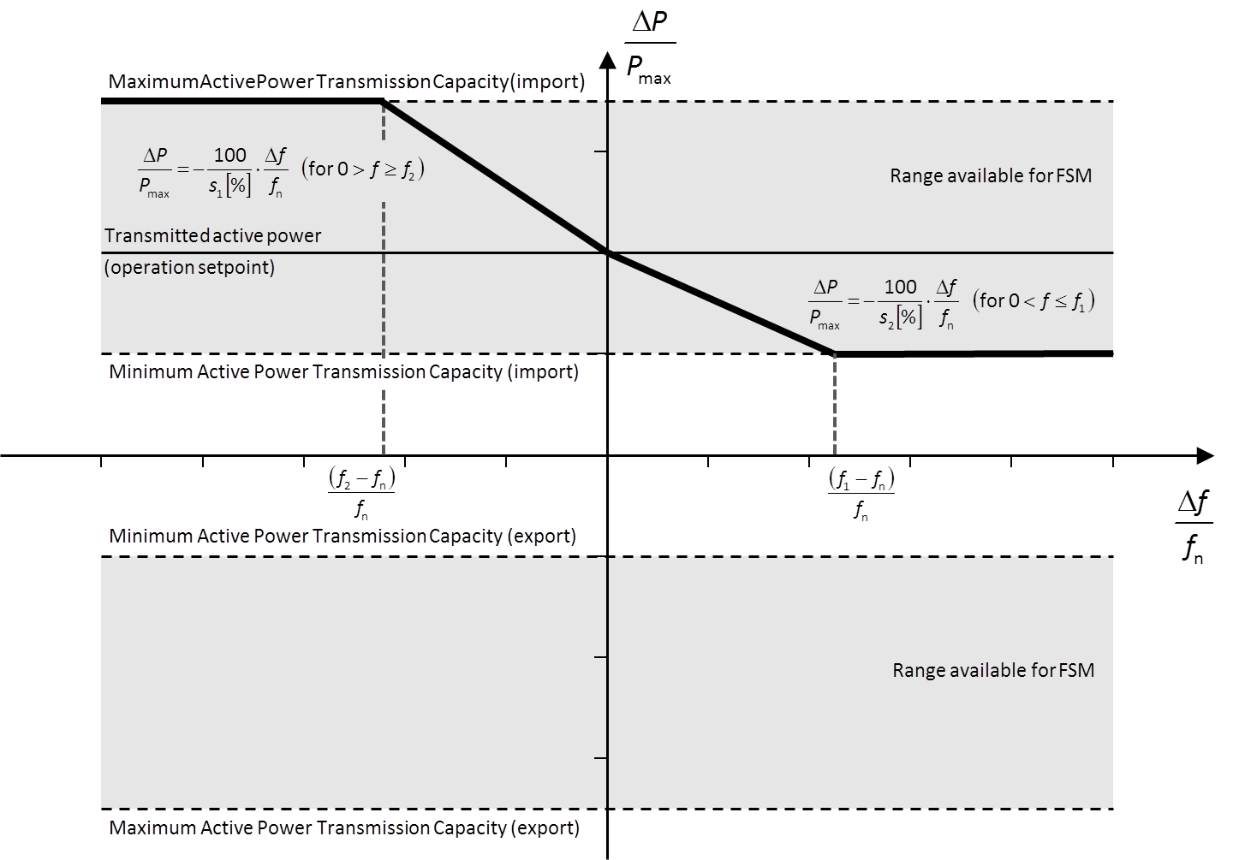
1. When operating in frequency sensitive mode (FSM):
(a) the HVDC system shall be capable of responding to frequency deviations in each connected AC network by adjusting the active power transmission as indicated in Figure 1 and in accordance with the parameters specified by each TSO within the ranges shown in Table 2. This specification shall be subject to notification to the regulatory authority. The modalities of that notification shall be determined in accordance with the applicable national regulatory framework; |  | ü
(b) the adjustment of active power frequency response shall be limited by the minimum HVDC active power transmission capacity and maximum HVDC active power transmission capacity of the HVDC system (in each direction);

Figure 1

Figure 1: Active power frequency response capability of an HVDC system in FSM illustrating the case of zero deadband and insensitivity with a positive active power setpoint (import mode). DP is the change in active power output from the HVDC system. fn is the target frequency in the AC network where the FSM service is provided and Df is the frequency deviation in the AC network where the FSM service is provided.

Table 2: Parameters for active power frequency response in FSM

Parameters | Ranges
Frequency response deadband | 0 – ±500mHz
Droop s1 (upward regulation) | Minimum 0.1%
Droop s2 (downward regulation) | Minimum 0.1%
Frequency response insensitivity | Maximum 30 mHz

(c) the HVDC system shall be capable, following an instruction from the relevant TSO, of adjusting the droops for upward and downward regulation, the frequency response deadband and the operational range of variation within the active power range available for FSM, set out in Figure 1 and more generally within the limits set by points (a) and (b). These values shall be subject to notification to the regulatory authority. The modalities of that notification shall be determined in accordance with the applicable national regulatory framework; |  | ü
(d) as a result of a frequency step change, the HVDC system shall be capable of adjusting active power to the active power frequency response defined in Figure 1, in such a way that the response is:
(i) as fast as inherently technically feasible; and
(ii) at or above the solid line according to Figure 2 in accordance with the parameters specified by each relevant TSO within the ranges according to Table 3: |  | ü
-the HVDC system shall be able to adjust active power output DP up to the limit of the active power range requested by the relevant TSO in accordance with the times t1 and t2 according to the ranges in Table 3, where t1 is the initial delay and t2 is the time for full activation. The values of t1and t2 shall be specified by the relevant TSO, subject to notification to the regulatory authority. The modalities of that notification shall be determined in accordance with the applicable national regulatory framework. |  | ü
- if the initial delay of activation is greater than 0.5 second, the HVDC system owner shall reasonably justify it to the relevant TSO. |  | ü

Figure 2

Figure 2: Active power frequency response capability of an HVDC system. DP is the change in active power triggered by the step change in frequency.

Table 3: Parameters for full activation of active power frequency response resulting from frequency step change.

Parameters | Time
Maximum admissible initial delay | 0.5 seconds

Maximum admissible time for full activation | 30 seconds
, unless longer activation times are specified by the relevant TSO |  | ü

(i) for HVDC systems linking various control areas or synchronous areas, in frequency sensitive mode operation the HVDC system shall be capable of adjusting full active power frequency response at any time and for a continuous time period.
(ii) as long as a frequency deviation continues active power control shall not have any adverse impact on the active power frequency response.

B. Limited frequency sensitive mode overfrequency

2. In addition to the requirements of Article 11 the following shall apply with regard to limited frequency sensitive mode – overfrequency (LFSM-O):
(a) the HVDC system shall be capable of adjusting active power frequency response to the AC network or networks, during both import and export, according to Figure 3 at a frequency threshold f1 between and including 50.2 Hz and 50.5 Hz with a droop S3 adjustable from 0.1 % upwards;
(b) the HVDC system shall be capable of adjusting active power down to its minimum HVDC active power transmission capacity;
(c) the HVDC system shall be capable of adjusting active power frequency response as fast as inherently technically feasible, with an initial delay and time for full activation determined by the relevant TSO and notified to the regulatory authority in accordance with the applicable national regulatory framework; |  | ü
(d) the HVDC system shall be capable of stable operation during LFSM-O operation. When LFSM-O is active, hierarchy of control functions shall be organised in accordance with Article 35.
3. The frequency threshold and droop settings referred to in point (a) of paragraph 1 shall be determined by the relevant TSO and be notified to the regulatory authority in accordance with the applicable national regulatory framework. |  | ü
Figure 3

Figure 3: Active power frequency response capability of HVDC systems in LFSM-O. DP is the change in active power output from the HVDC system and, depending on the operational conditions, either a decrease of import power or an increase of export power. fn is the nominal frequency of the AC network or networks the HVDC system is connected to and Df is the frequency change in the AC network or networks the HVDC is connected to. At overfrequencies where f is above f1 the HVDC system shall reduce active power according to the droop setting. | 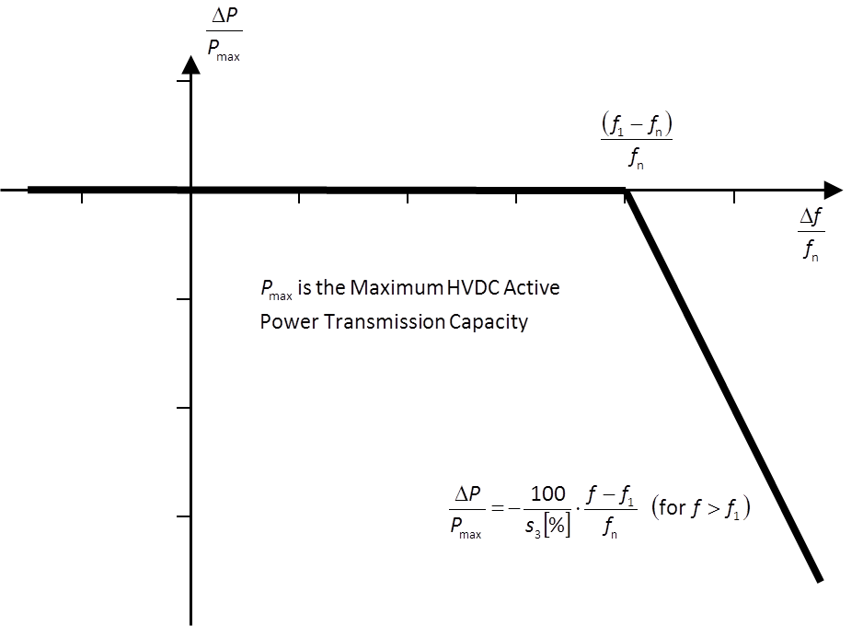

C. Limited frequency sensitive mode underfrequency
4. In addition to the requirements of Article 11, the following shall apply with regard to limited frequency sensitive mode – underfrequency (LFSM-U):
(a) the HVDC system shall be capable of adjusting active power frequency response to the AC network or networks, during both import and export, according to Figure 4 at a frequency threshold f2 between and including 49.8 Hz and 49.5 Hz with a droop S4 adjustable from 0.1 % upwards.
(b) in the LFSM-U mode the HVDC system shall be capable of adjusting active power up to its maximum HVDC active power transmission capacity;
(c) the active power frequency response shall be activated as fast as inherently technically feasible, with an initial delay and time for full activation determined by the relevant TSO and notified to regulatory authority in accordance with the applicable national regulatory framework; |  | ü
(d) the HVDC system shall be capable of stable operation during LFSM-U operation. When LFSM-U is active, hierarchy of control functions shall be organised in accordance with Article 35.
5. The frequency threshold and droop settings referred to in point (a) of paragraph 1 shall be determined by the relevant TSO and be notified to the regulatory authority in accordance with the applicable national regulatory framework. |  | ü

Figure 4

Figure 4: Active power frequency response capability of HVDC systems in LFSM-U. DP is the change in active power output from the HVDC system, depending on the operation condition a decrease of import power or an increase of export power. fn is the nominal frequency in the AC network or networks the HVDC system is connected and Df is the frequency change in the AC network or networks the HVDC is connected. At underfrequencies where f is below f2, the HVDC system has to increase active power output according to the droop s4.

ANNEX III
Voltage ranges referred to in Article 18

Table 4: Minimum time periods an HVDC system shall be capable of operating for voltages deviating from the reference 1 pu value at the connection points without disconnecting from the network. This table applies in case of pu voltage base values at or above 110 kV and up to 300 kV.
Synchronous Area | Voltage Range
Continental Europe | 0.85 pu – 1.118 pu
 | 1.118 pu – 1.15 pu
Nordic | 0.90 pu – 1.05 pu
 | 1.05 pu – 1.10 pu
Great Britain | 0.90 pu – 1.10 pu
Ireland and Northern Ireland | 0.90 pu – 1.118 pu
Baltic | 0.85 pu – 1.118 pu
 | 1.118 pu – 1.15 pu

Table 5: Minimum time periods an HVDC system shall be capable of operating for voltages deviating from the reference 1 pu value at the connection points without disconnecting from the network. This table applies in case of pu voltage base values from 300 kV to 400 kV (included).
Synchronous Area | Voltage Range
Continental Europe | 0.85 pu – 1.05 pu
 | 1.05 pu – 1.0875 pu
 | 1.0875 pu – 1.10 pu
Nordic | 0.90 pu – 1.05 pu
 | 1.05 pu – 1.10 pu
Great Britain | 0.90 pu – 1.05 pu
 | 1.05 pu – 1.10 pu
Ireland and Northern Island | 0.90 pu – 1.05 pu
Baltic | 0.88 pu – 1.097 pu
 | 1.097 pu – 1.15 pu

ANNEX IV
Requirements for U-Q/Pmax-profile (referred to in Article 20)

Figure 5

Figure 5: The diagram represents boundaries of a U-Q/Pmax-profile with U being the voltage at the connection points expressed by the ratio of its actual value to its reference 1 pu value in per unit, and Q/Pmax the ratio of the reactive power to the maximum HVDC active power transmission capacity. The position, size and shape of the inner envelope are indicative and shapes other than rectangular may be used within the inner envelope. For profile shapes other than rectangular, the voltage range represents the highest and lowest voltage points in this shape. Such a profile would not give rise to the full reactive power range being available across the range of steady-state voltages.

Table 6: Parameters for the Inner Envelope in the Figure.
Synchronous Area | Maximum range of Q/Pmax
Continental Europe | 0.95
Nordic | 0.95
Great Britain | 0.95
Ireland and Northern Ireland | 1.08
Baltic States | 1

ANNEX V
Voltage-against-time-profile referred to in Article 25

Figure 6: Fault-ride-through profile of an HVDC converter station. The diagram represents the lower limit of a voltage-against-time profile at the connection point, expressed by the ratio of its actual value and its reference 1 pu value in per unit before, during and after a fault. URET is the retained voltage at the connection point during a fault, TCLEAR is the instant when the fault has been cleared, UREC1 and tREC1 specify a point of lower limits of voltage recovery following fault clearance. Ublock is the blocking voltage at the connection point. The time values referred to are measured from TFAULT.
Table 7: Parameters for Figure 6 for the fault-ride-through capability of an HVDC converter station.

Voltage parameters [pu] | Time parameters [seconds]
URET - 0.00 – 0.30 | tCLEAR - 0.14-0.25
UREC1 - 0.25-0.85 | tREC1 - 1.5 – 2.5
UREC2 - 0.85-0.90 | tREC2 - tREC1 – 10.0

ANNEX VI
Frequency ranges and time periods referred to in Article 39(2)(a)

Frequency range | Time period for operation
47.0 Hz – 47.5 Hz | 20 seconds
47.5Hz – 49.0 Hz | 90 minutes
49.0 Hz – 51.0 Hz | Unlimited
51.0 Hz – 51.5 Hz | 90 minutes
51.5 Hz – 52.0 Hz | 15 minutes
Table 8: Minimum time periods for the 50Hz nominal system for which a PPM shall be capable of operating for different frequencies deviating from a nominal value without disconnecting from the network.

ANNEX VII

Voltage Range | Time period for operation
0.85 pu – 0.90 pu | 60 minutes
0.90 pu – 1.10 pu | Unlimited
1.10 pu – 1.118 pu | Unlimited, unless specified otherwise by the relevant system operator, in coordination with the relevant TSO. | ü
1.118 pu – 1.15 pu | To be specified by the relevant system operator, in coordination with the relevant TSO. | ü
Table 9: Minimum time periods for which a DC-connected power park module shall be capable of operating for different voltages deviating from a reference 1 pu value without disconnecting from the network where the voltage base for pu values is from 110 kV to 300 kV.

Voltage Range | Time period for operation
0.85 pu – 0.90 pu | 60 minutes
0.90 pu – 1.05 pu | Unlimited
1.05 pu – 1.15 pu | To be specified by the relevant system operator, in coordination with the relevant TSO. Various sub-ranges of voltage withstand capability can be specified. | ü
Table 10: Minimum time periods for which a DC-connected power park module shall be capable of operating for different voltages deviating from a reference 1 pu value without disconnecting from the network where the voltage base for pu values is from 300 kV to 400 kV (included).

Figure 7: U-Q/Pmax-profile of a DC-connected power park module at the connection point. The diagram represents boundaries of a U-Q/Pmax-profile of the voltage at the connection point[s], expressed by the ratio of its actual value to its reference 1 pu value in per unit, against the ratio of the reactive power (Q) to the maximum capacity (Pmax).The position, size and shape of the inner envelope are indicative and other than rectangular may be used within the inner envelope. For profile shapes other than rectangular, the voltage range represents the highest and lowest voltage points. Such a profile would not give rise to the full reactive power range being available across the range of steady-state voltages. | 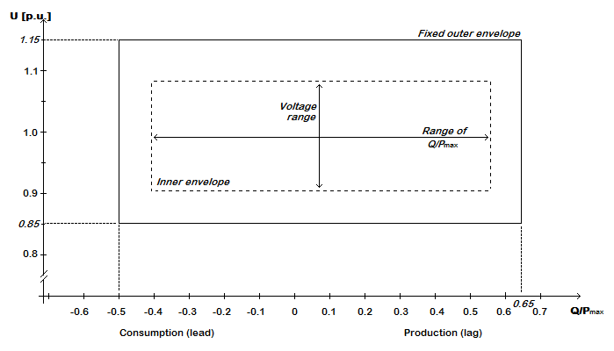

Range of width of Q/Pmax profile | Range of steady-state Voltage level in pu
0 - 0.95 | 0.1 - 0.225
Table 11: Maximum and minimum range of both Q/Pmax and steady-state voltage for a DC-connected PPM

ANNEX VIII
Reactive power and voltage requirements referred to in Article 48

Voltage range | Time period for operation
0.85 pu – 0.90 pu | 60 minutes
0.90 pu – 1.10 pu | Unlimited
1.10 pu – 1.12 pu | Unlimited, unless specified otherwise by the relevant system operator, in coordination with the relevant TSO. | ü
1.12 pu – 1.15 pu | To be specified by the relevant system operator, in coordination with the relevant TSO. | ü
Table 12: Minimum time periods for which a remote-end HVDC converter station shall be capable of operating for different voltages deviating from a reference 1 pu value without disconnecting from the network where the voltage base for pu values is from 110 kV to 300 kV.

Voltage range | Time period for operation
0.85 pu – 0.90 pu | 60 minutes
0.90 pu – 1.05 pu | Unlimited
1.05 pu – 1.15 pu | To be specified by the relevant system operator, in coordination with the relevant TSO. Various sub-ranges of voltage withstand capability may be specified. | ü
Table 13: Minimum time periods for which a remote-end HVDC converter station shall be capable of operating for different voltages deviating from a reference 1 pu value without disconnecting from the network where the voltage base for pu values is from 300 kV to 400 kV (included).

Maximum range of Q/Pmax | Maximum range of steady-state voltage level in PU
0.95 | 0.225
Table 14: Maximum range of both Q/Pmax and steady-state voltage for a remote-end HVDC converter station.

